Drop-down list examples
DATA VALIDATION
How to create drop-down lists in Excel

Tips:
> Press F5, then click Special. In the next window select Data Validation, All to select
all cells with drop-down lists or Same to select all cells with the same dropdown list as the
currently selected cell.
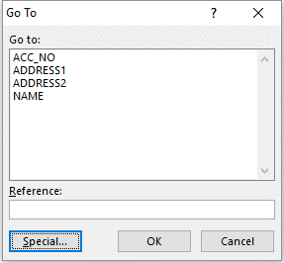
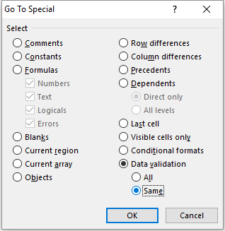

Data validation is in cell E30. By changing the value (from the drop-down list) it will change
the information in B34:B36 by using a vlookup formula in each cell.

INVOICE | Invoice # | 100
excelbuzz.com
123 Biz Street, Exceltown, 1234 | Date: | 2016-03-09
Phone: +1 234 567 8910 | Account No | A1

Bill to:
Jill Gates
123 High Way
San Francisco, CA 12345

